TEDB Edition 40
The energy intensity of commuter rail systems, measured in Btu per passenger-mile, varies greatly. The average of all commuter rail systems in 2019 was 1,589 Btu/passenger-mile. Most of these 27 systems used diesel power, but five systems used both diesel and electricity, and another four systems used only electricity.

Figure 7.1. Energy Intensity of Commuter Rail Systemsa, 2019
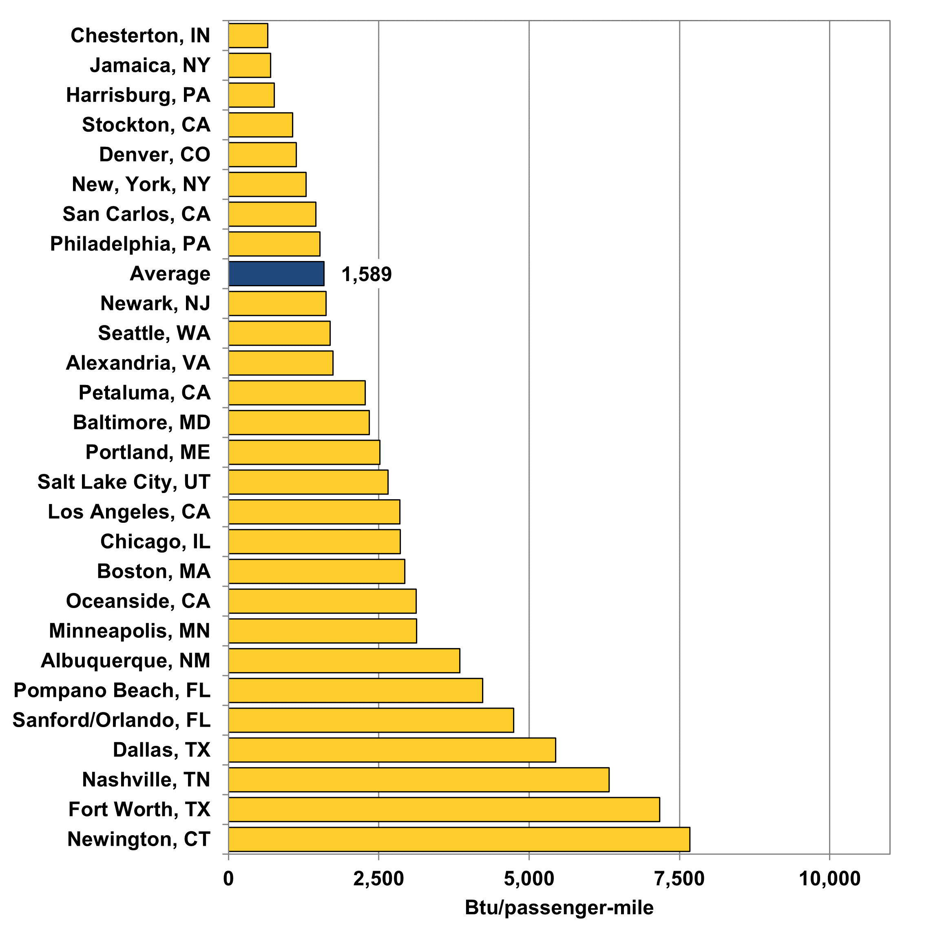

 | City, State | Btu per Passenger-mile
 | Newington, CT | 7,672
 | Fort Worth, TX | 7,171
 | Nashville, TN | 6,328
 | Dallas, TX | 5,441
 | Sanford/Orlando, FL | 4,742
 | Pompano Beach, FL | 4,227
 | Albuquerque, NM | 3,846
 | Minneapolis, MN | 3,129
 | Oceanside, CA | 3,121
 | Boston, MA | 2,932
 | Chicago, IL | 2,856
 | Los Angeles, CA | 2,852
 | Salt Lake City, UT | 2,651
 | Portland, ME | 2,514
 | Baltimore, MD | 2,342
 | Petaluma, CA | 2,275
 | Alexandria, VA | 1,737
 | Seattle, WA | 1,691
 | Newark, NJ | 1,621
 | Average | 1,589
 | Philadelphia, PA | 1,521
 | San Carlos, CA | 1,455
 | New, York, NY | 1,289
 | Denver, CO | 1,127
 | Stockton, CA | 1,068
 | Harrisburg, PA | 760
 | Jamaica, NY | 703
 | Chesterton, IN | 653

 | Note: Does not include systems classified as hybrid rail, which is a subset of commuter rail operating exclusively on freight railroad right-of-way.

 | Source:
 | U.S. Department of Transportation, 2019 National Transit Database, December 2020.
 | (Additional resources: www.transit.dot.gov/ntd)

 | a Electric railcar or diesel-propelled railway for urban passenger train service between a central city and adjacent suburbs. Only end-use energy was counted for electricity. Before Edition 36, primary energy use (which included generation and distribution losses) was shown in this figure.

